Equations
Equations. Sources: Axel Constant; Andy Clark; Karl J. Friston (2021) “Representation Wars;” Hipólito (2020) "Embodied Skillful Performance."
It's hard to accurately transcribe the symbols accurately... Here are some Dave D. got lucky with. Sub/superscripts are wrong... I put graphics at the bottom, to show how things should look.

Expression | Description
𝓍[τ] = {𝓍(t) : t ∈ (0, τ)} | Trajectory or path through state space
ω(τ) | Random fluctuations
x = {η, s, a, μ} ∈ X | Markovian partition into external, sensory, active, and internal states
x = d𝓍 / dt | Time derivative (Newton notation)
α = {a, μ} ∈ A | Autonomous states
b = {s, a} ∈ B | Blanket states
π = {b, μ} ∈ P | Particular states
η ∈ E | External states
Γ = μmkBT | Amplitude (i.e., half the variance) of random fluctuations
Q | Rate of solenoidal flow
μm = (1/kBT) Γ | Mobility coefficient
T | Temperature
𝓁 = ∫d𝓁 : d𝓁2 = gijdλjdλi | Information length
τ : d𝓁( τ ≥ τ) ≈ 0 | Critical time
gij = E[(∂𝕴 / ∂λi) (∂𝕴 / ∂λj)] | Fisher (information metric) tensor

Glossary of Functions, functionals and potentials

Expression | Description | Units
f(x) | The expected flow of states from any point in state space. This is the expected temporal derivative of x, averaging over random fluctuations in the motion of states.
E[x] = Ep[x] = ∫xpλ(x)dx | Expectation or average
pλ(x) : Pr[X ∈ A] = ∫A pλ(x)dx | Probability density function parameterised by sufficient statistics
qμ(η) | Variational density—an (approximate posterior) density over external states that is parameterised by internal states
𝒜(𝓍[τ]) ≡ 𝕴(𝓍[τ]) | Action: the surprisal of a path, i.e., the path integral of the Lagrangian
U(π) = kBT 𝕴(π) + lnZ | Thermodynamic potential | J (i.e. kg m2/s2)
F(π) ≥ 𝕴(π) | Variational free energy free energy—an upper bound on the surprisal of particular states | nats
G(α[τ]) ≥ 𝒜(α[τ]|π0) | Expected free energy free energy—an upper bound on the (classical) action of an autonomous path | nats

Glossary of operators

Expression | Description | Units
∇𝓍𝕴(𝓍) = ∂𝕴 / ∂𝓍 = (∂𝕴 / ∂𝓍1, ∂𝕴 / ∂𝓍2, ...) | Differential or gradient operator (on a scalar field)
∇𝓍𝓍 = ∂2𝕴 / ∂𝓍2 | Curvature operator (on a scalar field)

Glossary of entropies and potentials

Expression | Description | Units
𝕴(𝓍) = -ln p(𝓍) | Surprisal or self-information | nats
D[q(𝓍)||p(𝓍)] = Eq[ln q(𝓍) – ln p(𝓍)] | Relative entropy or Kullback–Leibler divergence | nats

(m) – arbitrary units (a.u.), e.g., metres (m), radians (rad), etc.

 | 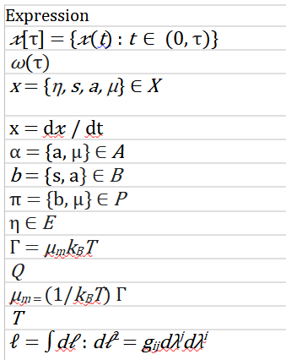

 | 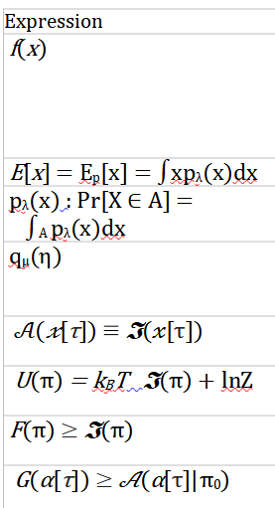

 | 